CMBL A
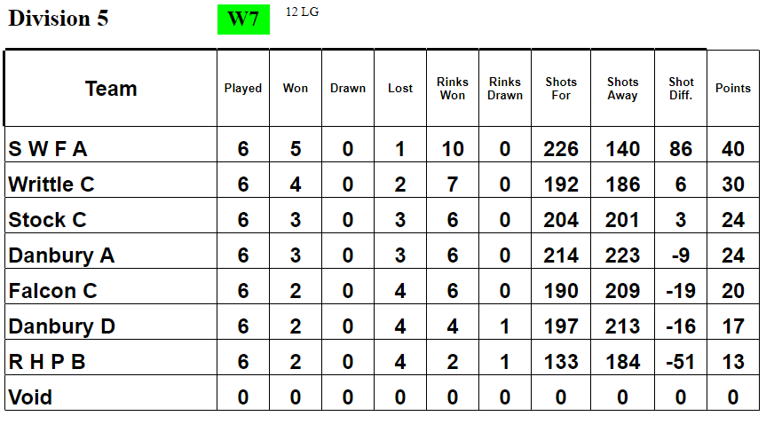
CMBL A TEAM

 |  |  |  | TEAM 1A |  |  |  |  | TEAM 2A |  |  |  |  | MATCH |  |  |  |  | LEAGUE
PLAYER NAME |  |  |  | DAVE MORRIS | HELEN WILLIAMS | TREVOR SMITH | IAN HENNESSEY | ARTHUR WINN | CHRIS WOOD | IAN WILLIAMS | LEA DAVIS | IAN CARTER | GRAHAM STABLES | TEAM POINTS | OVERALL POINTS | POINTS FOR | POINTS AGAINST | POINTS DIFFERENCE | PLAYED | WON | LOST | DRAWN | POINTS FOR | POINTS AGAINST | POINTS DIFFERENCE | LEAGUE POINTS
OPPONENTS | DATE | VENUE | SCORES

STOCK | 2022-05-17 | A |  | 1A1 | 1A2 | 1A3 | 1AS | - | 2A1 | 2A2 | 2A3 | 2AS | -
 |  |  | TEAM/POINTS | 26-8/2 |  |  |  |  | 7-23/0
 |  |  | OVERALL/POINTS | 33-31/6 |  |  |  |  |  |  |  |  |  | 2 | 6 | 33 | 31 | 2 | 1 | 1 | 0 | 0 | 33 | 31 | 2 | 6

NO GAME | 2022-05-24
 |  |  | TEAM/POINTS
 |  |  | OVERALL/POINTS

DANBURY A | 2022-05-31 | A |  | 1A2 | 2A1 | 1A3 | 1AS | 1A1 | - | - | 2A3 | 2AS | 2A2
 |  |  | TEAM/POINTS | 34-8/2 |  |  |  |  | 18-11/2
 |  |  | OVERALL/POINTS | 52-19/8 |  |  |  |  |  |  |  |  |  | 4 | 8 | 52 | 19 | 33 | 2 | 2 | 0 | 0 | 85 | 50 | 35 | 14

DANBURY D | 2022-06-07 | A |  |  | 2A3 | 1A3 | 1AS |  | 1A1 | 2A1 | 1A2 | 2AS | 2A2
 |  |  | TEAM/POINTS | 19-18/2 |  |  |  |  | 22-18/2 |  |  |  |  | 4 | 8 | 41 | 36 | 5 | 3 | 3 | 0 | 0 | 126 | 86 | 40 | 22
 |  |  | OVERALL/POINTS | 41-36/8

RHP B | 2022-06-14 | H
 |  |  | TEAM/POINTS | RHP FOREFEIT MATCH
 |  |  | OVERALL/POINTS | 10-0/8 |  |  |  |  |  |  |  |  |  | 8 | 8 | 10 | 0 | 10 | 4 | 4 | 0 | 0 | 136 | 86 | 50 | 30

WRITTLE C | 2022-06-21 | A |  |  | 2A3 | 1A3 | 1AS | 2A1 | 1A1 |  | 1A2 | 2AS | 2A2
 |  |  | TEAM/POINTS | 10-19/0 |  |  |  |  | 19-18/2
 |  |  | OVERALL/POINTS | 29-37/2 |  |  |  |  |  |  |  |  |  | 2 | 2 | 29 | 37 | -8 | 5 | 4 | 1 | 0 | 165 | 123 | 42 | 32

FALCON C | 2022-06-28 | H |  |  | 2A3 | 1A3 | 1AS |  | 1A2 | 2A2 | 1A1 | 2AS | 2A1
 |  |  | TEAM/POINTS | 27-7/2 |  |  |  |  | 33-10/2
 |  |  | OVERALL/POINTS | 60-17/8 |  |  |  |  |  |  |  |  |  | 4 | 8 | 60 | 17 | 43 | 6 | 5 | 1 | 0 | 225 | 140 | 85 | 40

STOCK | 2022-07-05 | H
 |  |  | TEAM/POINTS
 |  |  | OVERALL/POINTS

NO GAME | 2022-07-12
 |  |  | TEAM/POINTS
 |  |  | OVERALL/POINTS

DANBURY A | 2022-07-19 | H
 |  |  | TEAM/POINTS
 |  |  | OVERALL/POINTS

DANBURY D | 2022-07-26 | H
 |  |  | TEAM/POINTS
 |  |  | OVERALL/POINTS

RHP B | 2022-08-02 | A
 |  |  | TEAM/POINTS
 |  |  | OVERALL/POINTS

WRITTLE C | 2022-08-09 | H
 |  |  | TEAM/POINTS
 |  |  | OVERALL/POINTS

FALCON C | 2022-08-16 | A
 |  |  | TEAM/POINTS
 |  |  | OVERALL/POINTS

CMBL WEBSITE: | https://sites.google.com/view/cmbl-ns2021/league-2022/league-tables-current-2022

 |  |  |  |  |  |  |  |  |  |  |  |  |  |  |  | 225 | 140 | 85
CURRENT CMBL LEAGUE TABLE

CMBL B
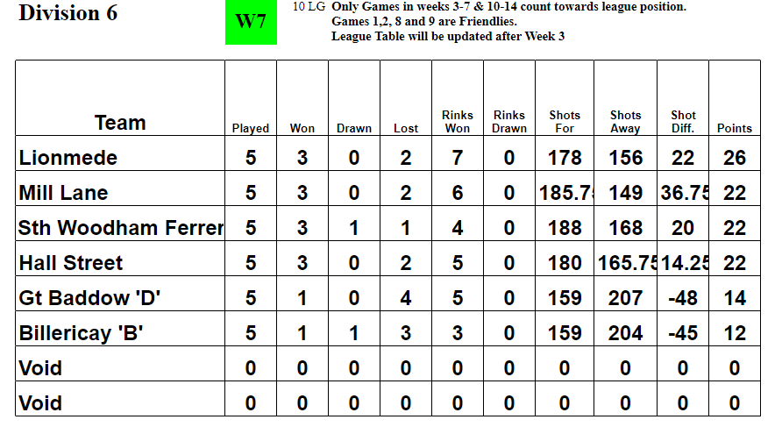
CMBL B TEAM

 |  |  |  | TEAM 1B |  |  |  | TEAM 2B |  |  |  | TEAM 3B |  |  |  | TEAM 4B |  |  |  | MATCH |  |  |  |  | LEAGUE
PLAYER NAME |  |  |  | SONIA MARTIN | PAUL BROWN | BRIAN CARDY | TOM MILLS | KATE CLARKE | ADRAIN WHITE | CHAS GARNISH | DAVID LEWIS | SUE PEARSON | SUE MORDEN | MARTIN LEVITT | CHAS PORTH | LEE STIFF | SUE LAMB | DAVE PORTH | BRIAN PEARSON | TEAM POINTS | OVERALL POINTS | POINTS FOR | POINTS AGAINST | POINTS DIFFERENCE | PLAYED | WON | LOST | DRAWN | POINTS FOR | POINTS AGAINST | POINTS DIFFERENCE | LEAGUE POINTS
OPPONENTS | DATE | VENUE | SCORES

HALL ST | 2022-05-31 | H |  | 1B1 | - | 1B3 | 1BS | 2B1 | 2B2 | 2B3 | 2BS | 1B2
 |  |  | TEAM/POINTS | 19-16/2 |  |  |  | 12-14/0
 |  |  | OVERALL/POINTS | 31-30/6 |  |  |  |  |  |  |  |  |  |  |  |  |  |  |  | 2 | 6 | 31 | 30 | 1 | 1 | 1 | 0 |  | 31 | 30 | 1 | 6

LIONMEDE | 2022-06-07 | H |  |  |  |  |  |  |  |  |  | 3B1 | 3B2 | 3B3 | 3BS | 4B1 | 4B2 | 4B3 | 4BS
 |  |  | TEAM/POINTS |  |  |  |  |  |  |  |  | 17-18/0 |  |  |  | 37-6/2
 |  |  | OVERALL/POINTS |  |  |  |  |  |  |  |  | 54-24/6 |  |  |  |  |  |  |  | 2 | 6 | 54 | 24 | 30 | 2 | 2 | 0 | 0 | 85 | 54 | 31 | 12

MILL LANE | 2022-06-14 | A |  | 1B1 | 1B2 | 1B3 | 1BS | 2B1 | 2B2 | - | 2BS |  | 2B3
 |  |  | TEAM/POINTS | 13-21/0 |  |  |  | 10-21/0
 |  |  | OVERALL/POINTS | 23-42/0 |  |  |  |  |  |  |  |  |  |  |  |  |  |  |  | 0 | 0 | 23 | 42 | -19 | 3 | 2 | 1 | 0 | 108 | 96 | 12 | 12

BILLERICAY B | 2022-06-21 | A |  |  |  |  | 4B2 |  |  |  |  | 3B1 | 3B2 | 3B3 | 3BS | 4B1 | - | 4B3 | 4BS
 |  |  | TEAM/POINTS |  |  |  |  |  |  |  |  | 23-15/2 |  |  |  | 16-24/0
 |  |  | OVERALL/POINTS |  |  |  |  |  |  |  |  | 39-39/4 |  |  |  |  |  |  |  | 2 | 4 | 39 | 39 | 0 | 4 | 2 | 1 | 1 | 147 | 135 | 12 | 16

G BADDOW D | 2022-06-28 | H |  | 1B1 | 1B2 | 1B3 | 1BS | - | 2B2 | 2B3 | 2BS | 2B1
 |  |  | TEAM/POINTS | 17-19/0 |  |  |  | 24-14/2
 |  |  | OVERALL/POINTS | 41-33/6 |  |  |  |  |  |  |  |  |  |  |  |  |  |  |  | 2 | 6 | 41 | 33 | 8 | 5 | 3 | 1 | 1 | 188 | 168 | 20 | 22

HALL STREET | 2022-07-19 | A |  | 1B1 | 1B2 | 1B3 | 1BS | 2B1 | 2B2 | 2B3 | 2BS
 |  |  | TEAM/POINTS
 |  |  | OVERALL/POINTS

LIONMEDE | 2022-07-26 | A |  |  |  |  |  |  |  |  |  | 3B1 | 3B2 | 3B3 | 3BS | 4B1 | 4B2 | 4B3 | 4BS
 |  |  | TEAM/POINTS
 |  |  | OVERALL/POINTS

MILL LANE | 2022-08-02 | H |  | 1B1 | 1B2 | 1B3 | 1BS | 2B1 | 2B2 | 2B3 | 2BS
 |  |  | TEAM/POINTS
 |  |  | OVERALL/POINTS

BILLERICAY B | 2022-08-09 | H |  |  |  |  |  |  |  |  |  | 3B1 | 3B2 | 3B3 | 3BS | 4B1 | 4B2 | 4B3 | 4BS
 |  |  | TEAM/POINTS
 |  |  | OVERALL/POINTS

G BADDOW D | 2022-08-16 | A |  | 1B1 | 1B2 | 1B3 | 1BS | 2B1 | 2B2 | 2B3 | 2BS
 |  |  | TEAM/POINTS
 |  |  | OVERALL/POINTS

CMBL WEBSITE: | https://sites.google.com/view/cmbl-ns2021/league-2022/league-tables-current-2022
 |  |  |  |  |  |  |  |  |  |  |  |  |  |  |  |  |  |  |  |  |  | 188 | 168 | 20
CURRENT CMBL LEAGUE TABLE

C&D
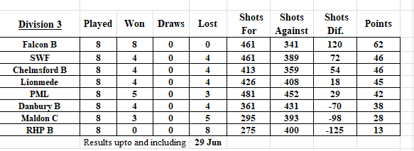
C&D TEAM

 |  |  |  | TEAM 1A |  |  |  |  |  | TEAM 2A |  |  |  |  |  |  | TEAM 3A |  |  |  | MATCH |  |  |  |  | LEAGUE
PLAYER NAME |  |  |  | DAVE MORRIS | BRIAN CARDY | DAVE LEWIS | TREVOR SMITH | IAN WILLIAMS | DAVE PORTH | ARTHUR WINN | CHAS PORTH | LEA DAVIS | IAN CARTER | IAN HENNESSEY | GRAHAM STABLES | ROY BROOKS | KEV RAWLINSON | CHAS GARNISH | TOM MILLS | GLEN WILLIAMS | TEAM POINTS | OVERALL POINTS | POINTS FOR | POINTS AGAINST | POINTS DIFFERENCE | PLAYED | WON | LOST | DRAWN | POINTS FOR | POINTS AGAINST | POINTS DIFFERENCE | LEAGUE POINTS
OPPONENTS | DATE | VENUE | SCORES

CHELMSFORD B | 2022-05-04 | A |  | 1A1 | 1A2 | 1A3 | 1AS | - | - | 2A1 | 2A2 | 2A3 | 2AS | - | - | - | 3A1 | 3A2 | 3A3 | 3AS
 |  |  | TEAM/POINTS | 11-15/0 |  |  |  |  |  | 18-22/0 |  |  |  |  |  |  | 11-22/0
 |  |  | OVERALL/POINTS | 40-59/0 |  |  |  |  |  |  |  |  |  |  |  |  |  |  |  |  | 0 | 0 | 40 | 59 | -19 | 1 | 0 | 1 | 0 | 40 | 59 | -19 | 0

LIONMEDE | 2022-05-11 | H |  | 1A1 | 3A2 | 1A3 | 1AS | 1A2 | - | - | 2A1 | 2A3 | 3A3 | 2AS | - | - | 3A1 | - | 2A2 | 3AS
 |  |  | TEAM/POINTS | 18-10/2 |  |  |  |  |  | 19-18/2 |  |  |  |  |  |  | 25-8/2
 |  |  | OVERALL/POINTS | 62-36/10 |  |  |  |  |  |  |  |  |  |  |  |  |  |  |  |  | 6 | 10 | 62 | 36 | 26 | 2 | 1 | 1 | 0 | 102 | 95 | 7 | 10

MALDON C | 2022-05-18 | A |  | 1A1 | 3A2 | - | 1AS | 1A2 | - | 1A3 | - | 2A3 | 3A3 | 2AS | 2A2 | - | 3A1 | 2A1 | - | 3AS
 |  |  | TEAM/POINTS | 15-22/0 |  |  |  |  |  | 17-12/2 |  |  |  |  |  |  | 15-23/0
 |  |  | OVERALL/POINTS | 47-57/2 |  |  |  |  |  |  |  |  |  |  |  |  |  |  |  |  | 2 | 2 | 47 | 57 | -10 | 3 | 1 | 2 | 0 | 149 | 152 | -3 | 12

RHP B | 2022-05-25 | A |  | 1A1 | 3A2 | - | 1AS | - | 1A2 | 1A3 | 2A1 | - | 3A3 | 2AS | - | - | 3A1 | 2A2 | 2A3 | 3AS
 |  |  | TEAM/POINTS | 13-13/1 |  |  |  |  |  | 20-12/2 |  |  |  |  |  |  | 19-17/2
 |  |  | OVERALL/POINTS | 52-42/9 |  |  |  |  |  |  |  |  |  |  |  |  |  |  |  |  | 5 | 9 | 52 | 42 | 10 | 4 | 2 | 2 | 0 | 201 | 194 | 7 | 21

DANBURY B | 2022-06-01 | A |  | 1A1 | 3A2 | - | 1AS | 2A3 | 1A2 | 1A3 | - | 2A1 | 3AS | 2AS | 3A3 | - | 3A1 | 2A2 | - | -
 |  |  | TEAM/POINTS | 26-11/2 |  |  |  |  |  | 20-20/1 |  |  |  |  |  |  | 34-9/2
 |  |  | OVERALL/POINTS | 80-40/9 |  |  |  |  |  |  |  |  |  |  |  |  |  |  |  |  | 5 | 9 | 80 | 40 | 40 | 5 | 3 | 2 | 0 | 281 | 234 | 47 | 30

FALCON B | 2022-06-08 | H |  |  | 3A2 |  | 1AS | 3A1 | 1A1 |  | 2A1 | 2A3 | 3A3 | 2AS | 1A3 | 2A2 |  |  | 1A2 | 3AS
 |  |  | TEAM/POINTS | 10-20/0 |  |  |  |  |  | 16-15/2 |  |  |  |  |  |  | 19-12/2
 |  |  | OVERALL/POINTS | 45-47/4 |  |  |  |  |  |  |  |  |  |  |  |  |  |  |  |  | 4 | 4 | 45 | 47 | -2 | 6 | 3 | 3 | 0 | 326 | 281 | 45 | 34

PML | 2022-06-15 | H |  | 3A1 | 2A2 |  | 1AS |  |  | 1A3 | 1A1 | 2A3 | 3A3 | 2AS | 3A2 |  | 2A1 |  | 1A2 | 3AS
 |  |  | TEAM/POINTS | 23-16/2 |  |  |  |  |  | 31-13/2 |  |  |  |  |  |  | 29-11/2
 |  |  | OVERALL/POINTS | 83-40/10 |  |  |  |  |  |  |  |  |  |  |  |  |  |  |  |  | 6 | 10 | 83 | 40 | 43 | 7 | 4 | 3 | 0 | 409 | 321 | 88 | 44

PML | 2022-06-29 | A |  | 3A1 |  |  | 1AS | 3A2 |  | 1A3 | 1A1 | 2A3 | 3A3 | 2AS | 2AS |  | 2A1 |  | 1A2 | 3AS
 |  |  | TEAM/POINTS | 15-22/0 |  |  |  |  |  | 16-26/0 |  |  |  |  |  |  | 22-20/2
 |  |  | OVERALL/POINTS | 53-68/2 |  |  |  |  |  |  |  |  |  |  |  |  |  |  |  |  | 2 | 2 | 53 | 68 | -15 | 8 | 4 | 4 | 0 | 462 | 389 | 73 | 46

FALCON B | 2022-07-06 | A
 |  |  | TEAM/POINTS
 |  |  | OVERALL/POINTS

DANBURY B | 2022-07-13 | H
 |  |  | TEAM/POINTS
 |  |  | OVERALL/POINTS

RHP B | 2022-07-20 | H
 |  |  | TEAM/POINTS
 |  |  | OVERALL/POINTS

MALDON C | 2022-08-27 | H
 |  |  | TEAM/POINTS
 |  |  | OVERALL/POINTS

LIONMEDE | 2022-08-03 | A
 |  |  | TEAM/POINTS
 |  |  | OVERALL/POINTS

CHELMSFORD B | 2022-08-10 | H
 |  |  | TEAM/POINTS
 |  |  | OVERALL/POINTS

C&D Website: | http://www.cdba.co.uk/
 |  |  |  |  |  |  |  |  |  |  |  |  |  |  |  |  |  |  |  |  |  |  | 462 | 389 | 73
CURRENT C&D LEAGUE TABLE

