CMBL A
CMBL A TEAM

 |  |  |  | TEAM 1A |  |  |  |  | TEAM 2A |  |  |  |  | MATCH |  |  |  |  | LEAGUE
PLAYER NAME |  |  |  | DAVE MORRIS | HELEN WILLIAMS | TREVOR SMITH | IAN HENNESSEY | ARTHUR WINN | CHRIS WOOD | IAN WILLIAMS | LEA DAVIS | IAN CARTER | GRAHAM STABLES | TEAM POINTS | OVERALL POINTS | SHOTS FOR | SHOTS AGAINST | SHOTS DIFFERENCE | PLAYED | WON | LOST | DRAWN | SHOTS FOR | SHOTS AGAINST | SHOTS DIFFERENCE | LEAGUE POINTS
OPPONENTS | DATE | VENUE | SCORES

STOCK | 2022-05-17 | A |  | 1A1 | 1A2 | 1A3 | 1AS | - | 2A1 | 2A2 | 2A3 | 2AS | -
 |  |  | TEAM/POINTS | 26-8/2 |  |  |  |  | 7-23/0
 |  |  | OVERALL/POINTS | 33-31/6 |  |  |  |  |  |  |  |  |  | 2 | 6 | 33 | 31 | 2 | 1 | 1 | 0 | 0 | 33 | 31 | 2 | 6

NO GAME | 2022-05-24
 |  |  | TEAM/POINTS
 |  |  | OVERALL/POINTS

DANBURY A | 2022-05-31 | A |  | 1A2 | 2A1 | 1A3 | 1AS | 1A1 | - | - | 2A3 | 2AS | 2A2
 |  |  | TEAM/POINTS | 34-8/2 |  |  |  |  | 18-11/2
 |  |  | OVERALL/POINTS | 52-19/8 |  |  |  |  |  |  |  |  |  | 4 | 8 | 52 | 19 | 33 | 2 | 2 | 0 | 0 | 85 | 50 | 35 | 14

DANBURY D | 2022-06-07 | A |  |  | 2A3 | 1A3 | 1AS |  | 1A1 | 2A1 | 1A2 | 2AS | 2A2
 |  |  | TEAM/POINTS | 19-18/2 |  |  |  |  | 22-18/2 |  |  |  |  | 4 | 8 | 41 | 36 | 5 | 3 | 3 | 0 | 0 | 126 | 86 | 40 | 22
 |  |  | OVERALL/POINTS | 41-36/8

RHP B | 2022-06-14 | H
 |  |  | TEAM/POINTS | RHP FOREFEIT MATCH
 |  |  | OVERALL/POINTS | 10-0/8 |  |  |  |  |  |  |  |  |  | 0 | 8 | 10 | 0 | 10 | 4 | 4 | 0 | 0 | 136 | 86 | 50 | 30

WRITTLE C | 2022-06-21 | A |  |  | 2A3 | 1A3 | 1AS | 2A1 | 1A1 |  | 1A2 | 2AS | 2A2
 |  |  | TEAM/POINTS | 10-19/0 |  |  |  |  | 19-18/2
 |  |  | OVERALL/POINTS | 29-37/2 |  |  |  |  |  |  |  |  |  | 2 | 2 | 29 | 37 | -8 | 5 | 4 | 1 | 0 | 165 | 123 | 42 | 32

FALCON C | 2022-06-28 | H |  |  | 2A3 | 1A3 | 1AS |  | 1A2 | 2A2 | 1A1 | 2AS | 2A1
 |  |  | TEAM/POINTS | 27-7/2 |  |  |  |  | 33-10/2
 |  |  | OVERALL/POINTS | 60-17/8 |  |  |  |  |  |  |  |  |  | 4 | 8 | 60 | 17 | 43 | 6 | 5 | 1 | 0 | 225 | 140 | 85 | 40

STOCK | 2022-07-05 | H |  | 2A1 | 2A3 | 1A3 | 1AS | 1A2 | 1A1 | - | - | 2AS | 2A2
 |  |  | TEAM/POINTS | 38-10/2 |  |  |  |  | 36-10/2
 |  |  | OVERALL/POINTS | 74-20/8 |  |  |  |  |  |  |  |  |  | 4 | 8 | 74 | 20 | 54 | 7 | 6 | 1 | 0 | 299 | 160 | 139 | 48

NO GAME | 2022-07-12
 |  |  | TEAM/POINTS
 |  |  | OVERALL/POINTS

DANBURY A | 2022-08-08 | H |  | - | 2A3 | - | 1AS | 1A3 | 1A1 | 2A2 | 1A2 | 2AS | 2A1
 |  |  | TEAM/POINTS | 27-6/2 |  |  |  |  | 17-11/2
 |  |  | OVERALL/POINTS | 44-17/8 |  |  |  |  |  |  |  |  |  | 4 | 8 | 44 | 17 | 27 | 8 | 7 | 1 | 0 | 343 | 177 | 166 | 56

DANBURY D | 2022-07-26 | H |  | 2A1 | 2A3 | 1A3 | 1AS | - | 1A1 | - | 1A2 | 2AS | 2A2
 |  |  | TEAM/POINTS | 31-7/2 |  |  |  |  | 35-6/2
 |  |  | OVERALL/POINTS | 66-13/8 |  |  |  |  |  |  |  |  |  | 4 | 8 | 66 | 13 | 53 | 9 | 8 | 1 | 0 | 409 | 190 | 219 | 64

RHP B | 2022-08-02 | A
 |  |  | TEAM/POINTS | RHP FORFEIT MATCH
 |  |  | OVERALL/POINTS | 10-0/8 |  |  |  |  |  |  |  |  |  | 0 | 8 | 10 | 0 | 10 | 10 | 9 | 1 | 0 | 419 | 190 | 229 | 72

WRITTLE C | 2022-08-09 | H |  | 1A2 | 2A3 | 1A3 | 1AS | - | 1A1 | 2A2 | - | 2AS | 2A1
 |  |  | TEAM/POINTS | 22-7/2 |  |  |  |  | 18-16/2
 |  |  | OVERALL/POINTS | 40-23/8 |  |  |  |  |  |  |  |  |  | 4 | 8 | 40 | 23 | 17 | 11 | 10 | 1 | 0 | 459 | 213 | 246 | 80

FALCON C | 2022-08-16 | A |  | - | 2A3 | 1A3 | 1AS | 1A2 | 2A1 | 2A2 | - | 2AS | 1A1
 |  |  | TEAM/POINTS | 18-18/1 |  |  |  |  | 8-18/0
 |  |  | OVERALL/POINTS | 26-36/1 |  |  |  |  |  |  |  |  |  | 1 | 1 | 26 | 36 | -10 | 12 | 10 | 2 | 0 | 485 | 249 | 236 | 81

CMBL WEBSITE: | https://sites.google.com/view/cmbl-ns2021/league-2022/league-tables-current-2022

 |  |  |  |  |  |  |  |  |  |  |  |  |  |  |  | 485 | 249 | 236

FINAL CMBL LEAGUE TABLE |  |  |  |  |  |  |  |  |  |  |  |  |  | OVERALL
 |  |  |  |  |  |  |  |  |  |  |  |  |  |  |  |  |  |  | HOME RESULTS |  |  |  | AWAY RESULTS
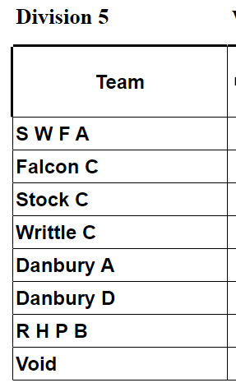
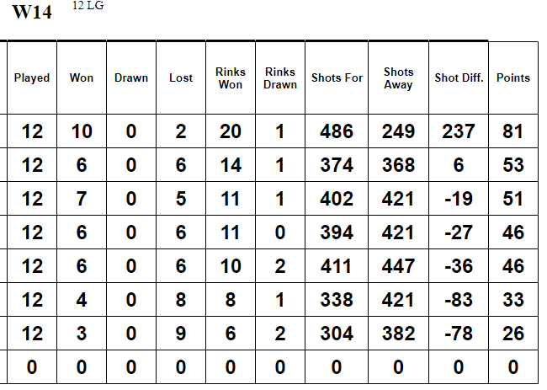
 |  |  |  |  |  |  |  |  |  |  |  |  |  | PLAYED |  |  |  |  | 6 |  |  |  | 6
 |  |  |  |  |  |  |  |  |  |  |  |  |  | WON |  |  |  |  | 6 |  |  |  | 4
 |  |  |  |  |  |  |  |  |  |  |  |  |  | LOST |  |  |  |  | 0 |  |  |  | 2
 |  |  |  |  |  |  |  |  |  |  |  |  |  | DRAWN |  |  |  |  | 0 |  |  |  | 0
 |  |  |  |  |  |  |  |  |  |  |  |  |  | TEAM POINTS |  |  |  |  | 20 |  |  |  | 13
 |  |  |  |  |  |  |  |  |  |  |  |  |  | OVERALL POINTS |  |  |  |  | 48 |  |  |  | 33
 |  |  |  |  |  |  |  |  |  |  |  |  |  | SHOTS FOR |  |  |  |  | 294 |  |  |  | 191
 |  |  |  |  |  |  |  |  |  |  |  |  |  | SHOTS AGAINST |  |  |  |  | 90 |  |  |  | 159
 |  |  |  |  |  |  |  |  |  |  |  |  |  | SHOTS DIFFERENCE |  |  |  |  | 204 |  |  |  | 32
 |  |  |  |  |  |  |  |  |  |  |  |  |  | LEAGUE POINTS |  |  |  |  | 48 |  |  |  | 33

CMBL B
CMBL B TEAM

 |  |  |  | TEAM 1B |  |  |  | TEAM 2B |  |  |  | TEAM 3B |  |  |  | TEAM 4B |  |  |  |  | MATCH |  |  |  |  | LEAGUE
PLAYER NAME |  |  |  | SONIA MARTIN | PAUL BROWN | BRIAN CARDY | TOM MILLS | KATE CLARKE | ADRAIN WHITE | CHAS GARNISH | DAVID LEWIS | SUE PEARSON | SUE MORDEN | MARTIN LEVITT | CHAS PORTH | LEE STIFF | SUE LAMB | DAVE PORTH | BRIAN PEARSON | MARGARET WATSON | TEAM POINTS | OVERALL POINTS | SHOTS FOR | SHOTS AGAINST | SHOTS DIFFERENCE | PLAYED | WON | LOST | DRAWN | SHOTS FOR | SHOTS AGAINST | SHOTS DIFFERENCE | LEAGUE POINTS
OPPONENTS | DATE | VENUE | SCORES

HALL ST | 2022-05-31 | H |  | 1B1 | - | 1B3 | 1BS | 2B1 | 2B2 | 2B3 | 2BS | 1B2
 |  |  | TEAM/POINTS | 19-16/2 |  |  |  | 12-14/0
 |  |  | OVERALL/POINTS | 31-30/6 |  |  |  |  |  |  |  |  |  |  |  |  |  |  |  |  | 2 | 6 | 31 | 30 | 1 | 1 | 1 | 0 |  | 31 | 30 | 1 | 6

LIONMEDE | 2022-06-07 | H |  |  |  |  |  |  |  |  |  | 3B1 | 3B2 | 3B3 | 3BS | 4B1 | 4B2 | 4B3 | 4BS | -
 |  |  | TEAM/POINTS |  |  |  |  |  |  |  |  | 17-18/0 |  |  |  | 37-6/2
 |  |  | OVERALL/POINTS |  |  |  |  |  |  |  |  | 54-24/6 |  |  |  |  |  |  |  |  | 2 | 6 | 54 | 24 | 30 | 2 | 2 | 0 | 0 | 85 | 54 | 31 | 12

MILL LANE | 2022-06-14 | A |  | 1B1 | 1B2 | 1B3 | 1BS | 2B1 | 2B2 | - | 2BS |  | 2B3
 |  |  | TEAM/POINTS | 13-21/0 |  |  |  | 10-21/0
 |  |  | OVERALL/POINTS | 23-42/0 |  |  |  |  |  |  |  |  |  |  |  |  |  |  |  |  | 0 | 0 | 23 | 42 | -19 | 3 | 2 | 1 | 0 | 108 | 96 | 12 | 12

BILLERICAY B | 2022-06-21 | A |  |  |  |  | 4B2 |  |  |  |  | 3B1 | 3B2 | 3B3 | 3BS | 4B1 | - | 4B3 | 4BS | -
 |  |  | TEAM/POINTS |  |  |  |  |  |  |  |  | 23-15/2 |  |  |  | 16-24/0
 |  |  | OVERALL/POINTS |  |  |  |  |  |  |  |  | 39-39/4 |  |  |  |  |  |  |  |  | 2 | 4 | 39 | 39 | 0 | 4 | 2 | 1 | 1 | 147 | 135 | 12 | 16

G BADDOW D | 2022-06-28 | H |  | 1B1 | 1B2 | 1B3 | 1BS | - | 2B2 | 2B3 | 2BS | 2B1
 |  |  | TEAM/POINTS | 17-19/0 |  |  |  | 24-14/2
 |  |  | OVERALL/POINTS | 41-33/6 |  |  |  |  |  |  |  |  |  |  |  |  |  |  |  |  | 2 | 6 | 41 | 33 | 8 | 5 | 3 | 1 | 1 | 188 | 168 | 20 | 22

HALL STREET | 2022-07-28 | A |  |  |  |  | 3BS |  |  |  |  | 3B1 | 3B2 | 3B3 | - | - | 4B2 | 4B3 | 4BS | 4B1
 |  |  | TEAM/POINTS |  |  |  |  |  |  |  |  | 17-17/1 |  |  |  | 5-38/0
 |  |  | OVERALL/POINTS |  |  |  |  |  |  |  |  | 22-55/1 |  |  |  |  |  |  |  |  | 1 | 1 | 22 | 55 | -33 | 6 | 3 | 2 | 1 | 210 | 223 | -13 | 23

LIONMEDE | 2022-07-26 | A |  | 1B1 | 1B2 | 1B3 | 1BS | - | 2B2 | 2B3 | - |  |  |  | 2BS |  |  |  |  | 2B1
 |  |  | TEAM/POINTS | 7-30/0 |  |  |  | 6-33/0
 |  |  | OVERALL/POINTS | 13-63/0 |  |  |  |  |  |  |  |  |  |  |  |  |  |  |  |  | 0 | 0 | 13 | 63 | -50 | 7 | 3 | 3 | 1 | 223 | 286 | -63 | 23

MILL LANE | 2022-08-02 | H |  | 4B2 |  | 4BS | 3B3 |  |  |  |  | 3B1 | 3B2 | - | 3BS | - | - | 4B3 | - | 4B1
 |  |  | TEAM/POINTS |  |  |  |  |  |  |  |  | 21-7/2 |  |  |  | 15-18/0
 |  |  | OVERALL/POINTS |  |  |  |  |  |  |  |  | 36-25/6 |  |  |  |  |  |  |  |  | 2 | 6 | 36 | 25 | 11 | 8 | 4 | 3 | 1 | 259 | 311 | -52 | 29

BILLERICAY B | 2022-08-09 | H |  | 1B1 | 1B2 | 1B3 | 1BS | 2B1 | - | 2B3 | - |  | 2B2 |  | 2BS
 |  |  | TEAM/POINTS | 13-21/0 |  |  |  | 13-16/0
 |  |  | OVERALL/POINTS | 26-37/0 |  |  |  |  |  |  |  |  |  |  |  |  |  |  |  |  | 0 | 0 | 26 | 37 | -11 | 9 | 4 | 4 | 1 | 285 | 348 | -63 | 29

G BADDOW D | 2022-08-16 | A |  |  |  |  | 3B3 |  |  |  |  | 3B1 | 3B2 | 4B2 | 3BS | - | - | 4B3 | 4BS | 4B1
 |  |  | TEAM/POINTS |  |  |  |  |  |  |  |  | 15-20/0 |  |  |  | 16-21/0
 |  |  | OVERALL/POINTS |  |  |  |  |  |  |  |  | 31-41/0 |  |  |  |  |  |  |  |  | 0 | 0 | 31 | 41 | -10 | 10 | 4 | 5 | 1 | 316 | 389 | -73 | 29

CMBL WEBSITE: | https://sites.google.com/view/cmbl-ns2021/league-2022/league-tables-current-2022
 |  |  |  |  |  |  |  |  |  |  |  |  |  |  |  |  |  |  |  |  |  |  | 316 | 389 | -73

FINAL CMBL LEAGUE TABLE |  |  |  |  |  |  |  |  |  |  |  |  |  |  |  |  |  |  |  |  | OVERALL
 |  |  |  |  |  |  |  |  |  |  |  |  |  |  |  |  |  |  |  |  |  |  |  |  |  | HOME RESULTS |  |  |  | AWAY RESULTS
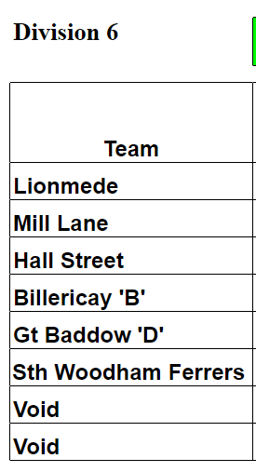
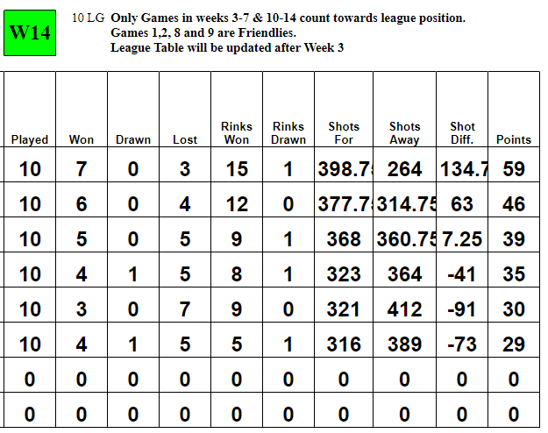
 |  |  |  |  |  |  |  |  |  |  |  |  |  |  |  |  |  |  |  |  | PLAYED |  |  |  |  | 5 |  |  |  | 5
 |  |  |  |  |  |  |  |  |  |  |  |  |  |  |  |  |  |  |  |  | WON |  |  |  |  | 4 |  |  |  | 0
 |  |  |  |  |  |  |  |  |  |  |  |  |  |  |  |  |  |  |  |  | LOST |  |  |  |  | 1 |  |  |  | 4
 |  |  |  |  |  |  |  |  |  |  |  |  |  |  |  |  |  |  |  |  | DRAWN |  |  |  |  | 0 |  |  |  | 1
 |  |  |  |  |  |  |  |  |  |  |  |  |  |  |  |  |  |  |  |  | TEAM POINTS |  |  |  |  | 8 |  |  |  | 3
 |  |  |  |  |  |  |  |  |  |  |  |  |  |  |  |  |  |  |  |  | OVERALL POINTS |  |  |  |  | 24 |  |  |  | 5
 |  |  |  |  |  |  |  |  |  |  |  |  |  |  |  |  |  |  |  |  | SHOTS FOR |  |  |  |  | 188 |  |  |  | 128
 |  |  |  |  |  |  |  |  |  |  |  |  |  |  |  |  |  |  |  |  | SHOTS AGAINST |  |  |  |  | 149 |  |  |  | 240
 |  |  |  |  |  |  |  |  |  |  |  |  |  |  |  |  |  |  |  |  | SHOTS DIFFERENCE |  |  |  |  | 39 |  |  |  | -112
 |  |  |  |  |  |  |  |  |  |  |  |  |  |  |  |  |  |  |  |  | LEAGUE POINTS |  |  |  |  | 24 |  |  |  | 5

C&D
C&D TEAM

 |  |  |  | TEAM 1A |  |  |  |  |  | TEAM 2A |  |  |  |  |  |  | TEAM 3A |  |  |  |  | MATCH |  |  |  |  | LEAGUE
PLAYER NAME |  |  |  | DAVE MORRIS | BRIAN CARDY | DAVE LEWIS | TREVOR SMITH | IAN WILLIAMS | DAVE PORTH | ARTHUR WINN | CHAS PORTH | LEA DAVIS | IAN CARTER | IAN HENNESSEY | GRAHAM STABLES | ROY BROOKS | KEV RAWLINSON | CHAS GARNISH | TOM MILLS | GLEN WILLIAMS |  | TEAM POINTS | OVERALL POINTS | SHOTS FOR | SHOTS AGAINST | SHOTS DIFFERENCE | PLAYED | WON | LOST | DRAWN | SHOTS FOR | SHOTS AGAINST | SHOTS DIFFERENCE | LEAGUE POINTS
OPPONENTS | DATE | VENUE | SCORES

CHELMSFORD B | 2022-05-04 | A |  | 1A1 | 1A2 | 1A3 | 1AS | - | - | 2A1 | 2A2 | 2A3 | 2AS | - | - | - | 3A1 | 3A2 | 3A3 | 3AS
 |  |  | TEAM/POINTS | 11-15/0 |  |  |  |  |  | 18-22/0 |  |  |  |  |  |  | 11-22/0
 |  |  | OVERALL/POINTS | 40-59/0 |  |  |  |  |  |  |  |  |  |  |  |  |  |  |  |  |  | 0 | 0 | 40 | 59 | -19 | 1 | 0 | 1 | 0 | 40 | 59 | -19 | 0

LIONMEDE | 2022-05-11 | H |  | 1A1 | 3A2 | 1A3 | 1AS | 1A2 | - | - | 2A1 | 2A3 | 3A3 | 2AS | - | - | 3A1 | - | 2A2 | 3AS
 |  |  | TEAM/POINTS | 18-10/2 |  |  |  |  |  | 19-18/2 |  |  |  |  |  |  | 25-8/2
 |  |  | OVERALL/POINTS | 62-36/10 |  |  |  |  |  |  |  |  |  |  |  |  |  |  |  |  |  | 6 | 10 | 62 | 36 | 26 | 2 | 1 | 1 | 0 | 102 | 95 | 7 | 10

MALDON C | 2022-05-18 | A |  | 1A1 | 3A2 | - | 1AS | 1A2 | - | 1A3 | - | 2A3 | 3A3 | 2AS | 2A2 | - | 3A1 | 2A1 | - | 3AS
 |  |  | TEAM/POINTS | 15-22/0 |  |  |  |  |  | 17-12/2 |  |  |  |  |  |  | 15-23/0
 |  |  | OVERALL/POINTS | 47-57/2 |  |  |  |  |  |  |  |  |  |  |  |  |  |  |  |  |  | 2 | 2 | 47 | 57 | -10 | 3 | 1 | 2 | 0 | 149 | 152 | -3 | 12

RHP B | 2022-05-25 | A |  | 1A1 | 3A2 | - | 1AS | - | 1A2 | 1A3 | 2A1 | - | 3A3 | 2AS | - | - | 3A1 | 2A2 | 2A3 | 3AS
 |  |  | TEAM/POINTS | 13-13/1 |  |  |  |  |  | 20-12/2 |  |  |  |  |  |  | 19-17/2
 |  |  | OVERALL/POINTS | 52-42/9 |  |  |  |  |  |  |  |  |  |  |  |  |  |  |  |  |  | 5 | 9 | 52 | 42 | 10 | 4 | 2 | 2 | 0 | 201 | 194 | 7 | 21

DANBURY B | 2022-06-01 | A |  | 1A1 | 3A2 | - | 1AS | 2A3 | 1A2 | 1A3 | - | 2A1 | 3AS | 2AS | 3A3 | - | 3A1 | 2A2 | - | -
 |  |  | TEAM/POINTS | 26-11/2 |  |  |  |  |  | 20-20/1 |  |  |  |  |  |  | 34-9/2
 |  |  | OVERALL/POINTS | 80-40/9 |  |  |  |  |  |  |  |  |  |  |  |  |  |  |  |  |  | 5 | 9 | 80 | 40 | 40 | 5 | 3 | 2 | 0 | 281 | 234 | 47 | 30

FALCON B | 2022-06-08 | H |  | - | 3A2 | - | 1AS | 3A1 | 1A1 | - | 2A1 | 2A3 | 3A3 | 2AS | 1A3 | 2A2 | - | - | 1A2 | 3AS
 |  |  | TEAM/POINTS | 10-20/0 |  |  |  |  |  | 16-15/2 |  |  |  |  |  |  | 19-12/2
 |  |  | OVERALL/POINTS | 45-47/4 |  |  |  |  |  |  |  |  |  |  |  |  |  |  |  |  |  | 4 | 4 | 45 | 47 | -2 | 6 | 3 | 3 | 0 | 326 | 281 | 45 | 34

PML | 2022-06-15 | H |  | 3A1 | 2A2 | - | 1AS | - | - | 1A3 | 1A1 | 2A3 | 3A3 | 2AS | 3A2 | - | 2A1 | - | 1A2 | 3AS
 |  |  | TEAM/POINTS | 23-16/2 |  |  |  |  |  | 31-13/2 |  |  |  |  |  |  | 29-11/2
 |  |  | OVERALL/POINTS | 83-40/10 |  |  |  |  |  |  |  |  |  |  |  |  |  |  |  |  |  | 6 | 10 | 83 | 40 | 43 | 7 | 4 | 3 | 0 | 409 | 321 | 88 | 44

PML | 2022-06-29 | A |  | 3A1 | - | - | 1AS | 3A2 | - | 1A3 | 1A1 | 2A3 | 3A3 | 2AS | 2A2 | - | 2A1 | - | 1A2 | 3AS
 |  |  | TEAM/POINTS | 15-22/0 |  |  |  |  |  | 16-26/0 |  |  |  |  |  |  | 22-20/2
 |  |  | OVERALL/POINTS | 53-68/2 |  |  |  |  |  |  |  |  |  |  |  |  |  |  |  |  |  | 2 | 2 | 53 | 68 | -15 | 8 | 4 | 4 | 0 | 462 | 389 | 73 | 46

FALCON B | 2022-07-06 | A |  | 3A1 | 2A2 | - | 1AS | - | - | 1A3 | 1A1 | - | 3A3 | 2AS | 2A3 | - | 2A1 | 3A2 | 1A2 | 3AS
 |  |  | TEAM/POINTS | 12-17/0 |  |  |  |  |  | 14-24/0 |  |  |  |  |  |  | 8-21/0
 |  |  | OVERALL/POINTS | 34-62/0 |  |  |  |  |  |  |  |  |  |  |  |  |  |  |  |  |  | 0 | 0 | 34 | 62 | -28 | 9 | 4 | 5 | 0 | 496 | 451 | 45 | 46

DANBURY B | 2022-07-13 | H |  | 3A1 | 3A2 | - | 1AS | 2A2 | - | 1A3 | 1A1 | 2A3 | 3A3 | 2AS | - | - | 2A1 | - | 1A2 | 3AS
 |  |  | TEAM/POINTS | 21-20/2 |  |  |  |  |  | 13-17/0 |  |  |  |  |  |  | 31-13/2
 |  |  | OVERALL/POINTS | 65-50/8 |  |  |  |  |  |  |  |  |  |  |  |  |  |  |  |  |  | 4 | 8 | 65 | 50 | 15 | 10 | 5 | 5 | 0 | 561 | 501 | 60 | 54

RHP B | 2022-07-20 | H
 |  |  | TEAM/POINTS | RHP FORFEIT MATCH
 |  |  | OVERALL/POINTS | 20-0/10 |  |  |  |  |  |  |  |  |  |  |  |  |  |  |  |  |  | 0 | 10 | 20 | 0 | 20 | 11 | 6 | 5 | 0 | 581 | 501 | 80 | 64

MALDON C | 2022-08-27 | H
 |  |  | TEAM/POINTS | MALDON FORFEIT MATCH
 |  |  | OVERALL/POINTS | 20-0/10 |  |  |  |  |  |  |  |  |  |  |  |  |  |  |  |  |  | 0 | 10 | 20 | 0 | 20 | 12 | 7 | 5 | 0 | 601 | 501 | 100 | 74

LIONMEDE | 2022-08-03 | A |  | 3A1 | 3A2 | - | 1AS | 2A2 | - | 1A3 | 1A1 | 2A3 | 3A3 | 2AS | 1A2 | - | 2A1 | - | - | 3AS
 |  |  | TEAM/POINTS | 17-16/2 |  |  |  |  |  | 16-18/0 |  |  |  |  |  |  | 10-31/0
 |  |  | OVERALL/POINTS | 43-65/2 |  |  |  |  |  |  |  |  |  |  |  |  |  |  |  |  |  | 2 | 2 | 43 | 65 | -22 | 13 | 7 | 6 | 0 | 644 | 566 | 78 | 76

CHELMSFORD B | 2022-08-10 | H |  | 1A1 | - | - | 1A3 | 3A1 | - | 1AS | 2A1 | 2A3 | 3A3 | 2AS | 1A2 | - | - | 3A2 | 2A2 | 3AS
 |  |  | TEAM/POINTS | 14-11/2 |  |  |  |  |  | 28-7/2 |  |  |  |  |  |  | 30-11/2
 |  |  | OVERALL/POINTS | 72-29/10 |  |  |  |  |  |  |  |  |  |  |  |  |  |  |  |  |  | 6 | 10 | 72 | 29 | 43 | 14 | 8 | 6 | 0 | 716 | 595 | 121 | 86

C&D Website: | http://www.cdba.co.uk/
 |  |  |  |  |  |  |  |  |  |  |  |  |  |  |  |  |  |  |  |  |  |  |  | 716 | 595 | 121

FINAL C&D LEAGUE TABLE |  |  |  |  |  |  |  |  |  |  |  |  |  |  |  |  |  |  |  |  | OVERALL
 |  |  |  |  |  |  |  |  |  |  |  |  |  |  |  |  |  |  |  |  |  |  |  |  |  | HOME RESULTS |  |  |  | AWAY RESULTS
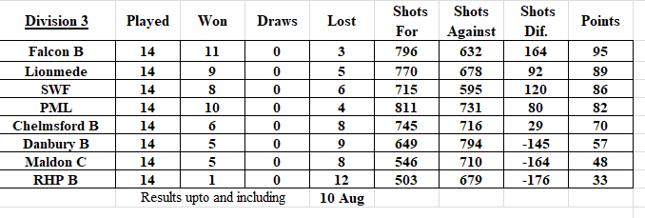
 |  |  |  |  |  |  |  |  |  |  |  |  |  |  |  |  |  |  |  |  | PLAYED |  |  |  |  | 7 |  |  |  | 7
 |  |  |  |  |  |  |  |  |  |  |  |  |  |  |  |  |  |  |  |  | WON |  |  |  |  | 6 |  |  |  | 2
 |  |  |  |  |  |  |  |  |  |  |  |  |  |  |  |  |  |  |  |  | LOST |  |  |  |  | 1 |  |  |  | 5
 |  |  |  |  |  |  |  |  |  |  |  |  |  |  |  |  |  |  |  |  | DRAWN |  |  |  |  | 0 |  |  |  | 0
 |  |  |  |  |  |  |  |  |  |  |  |  |  |  |  |  |  |  |  |  | TEAM POINTS |  |  |  |  | 26 |  |  |  | 16
 |  |  |  |  |  |  |  |  |  |  |  |  |  |  |  |  |  |  |  |  | OVERALL POINTS |  |  |  |  | 62 |  |  |  | 24
 |  |  |  |  |  |  |  |  |  |  |  |  |  |  |  |  |  |  |  |  | SHOTS FOR |  |  |  |  | 367 |  |  |  | 349
 |  |  |  |  |  |  |  |  |  |  |  |  |  |  |  |  |  |  |  |  | SHOTS AGAINST |  |  |  |  | 202 |  |  |  | 393
 |  |  |  |  |  |  |  |  |  |  |  |  |  |  |  |  |  |  |  |  | SHOTS DIFFERENCE |  |  |  |  | 165 |  |  |  | -44
 |  |  |  |  |  |  |  |  |  |  |  |  |  |  |  |  |  |  |  |  | LEAGUE POINTS |  |  |  |  | 62 |  |  |  | 24

